E Content and Research Seminar
 |  | Test Case Template for Project
 |  | Project Name | LMS
 |  | Module Name | Research (Research Seminar)
 |  | Created By | Pooja
 |  | Created Date | 4/29/2024
 |  | Peer Review By
 |  | Peer Reviewed Date

Scenario TID | Scenario Desciption | Test Case ID | Pre Condition | Steps to Execute | Expected Result | Actual Result | Status | Executed QA Name | Comments | Screenshots
1 | To verify Submit button is clicakble or not after Validation Failed Popup message. | TC_01 | 1)Application is installed, configured, and accessible to the user. 2)User credentials for logging into the Research are valid and authenticated. 3) Link : https://dev-portal.svkm.ac.in/researches/user | 1.Open the URL : "https://dev-portal.svkm.ac.in/researches/user" 2.Enter username: 32101198. 3) Enter password: pass@123. 4)Click on "Sign In" Button. 5) Click on "Research " Option. 6)Click on "Research Seminars at NMIMS" 7)Go to "+" icon which is above at "Enter Keyword" dropdown. 8) Fill the one wrong information in Web link textbox and fill remaining correct information and Click on submit button 9) Click on "Submit" button | Submit button should be clickable after validation Pop up message. | After clicking on submit button it is showing validation pop up error message, after that fill right web link in Link section and click on submit button. | Fail | Pooja |  | https://screenrec.com/share/KHYxbC8RTD
2 | To verify "Web Link" functionality is allowing to update Link or not | TC_02 | 1)Application is installed, configured, and accessible to the user. 2)User credentials for logging into the Research are valid and authenticated. 3) Link : https://dev-portal.svkm.ac.in/researches/user | 1.Open the URL : "https://dev-portal.svkm.ac.in/researches/user" 2.Enter username: 32101198. 3) Enter password: pass@123. 4)Click on "Sign In" Button. 5) Click on "Research " Option. 6)Click on "Research Seminars at NMIMS" 7)Go to below "Action" and click on Edit. 8) Go to "Web Link " and enter "https://www.google.com/" | "Web Link" functionality it should allow to update link. | "Web Link" functionality is not allowing to update link.It is showingError Message. | Fail |  | 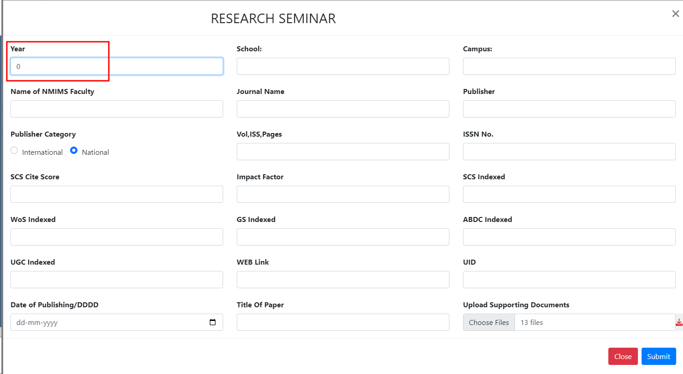 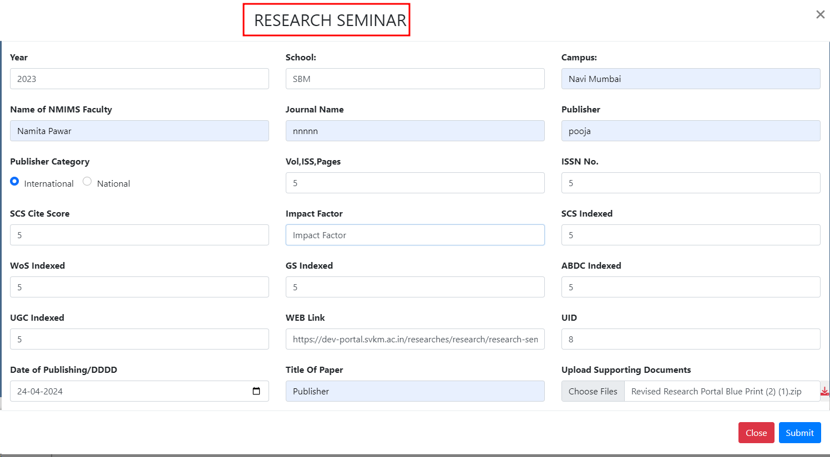 | 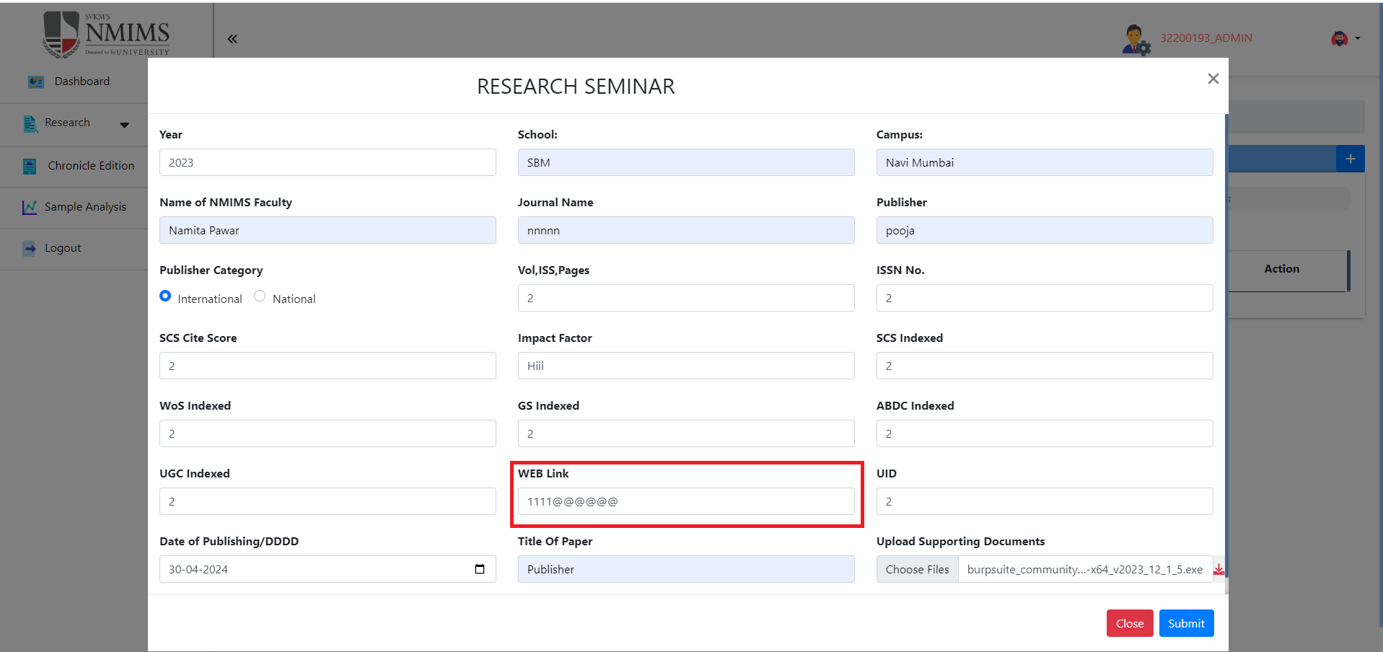 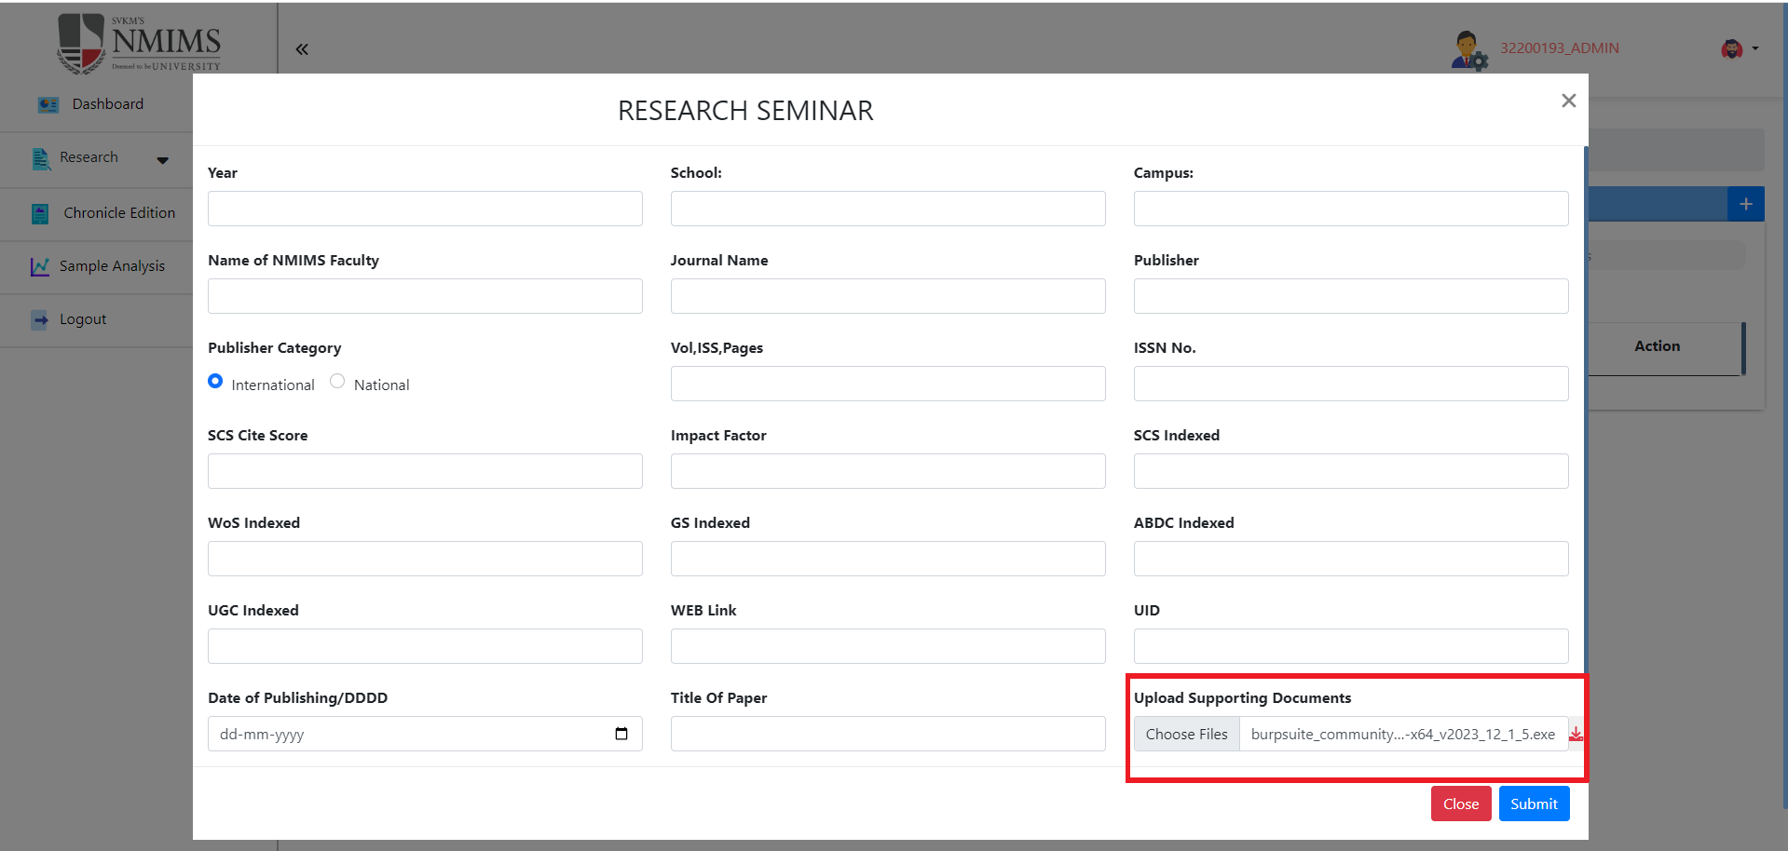 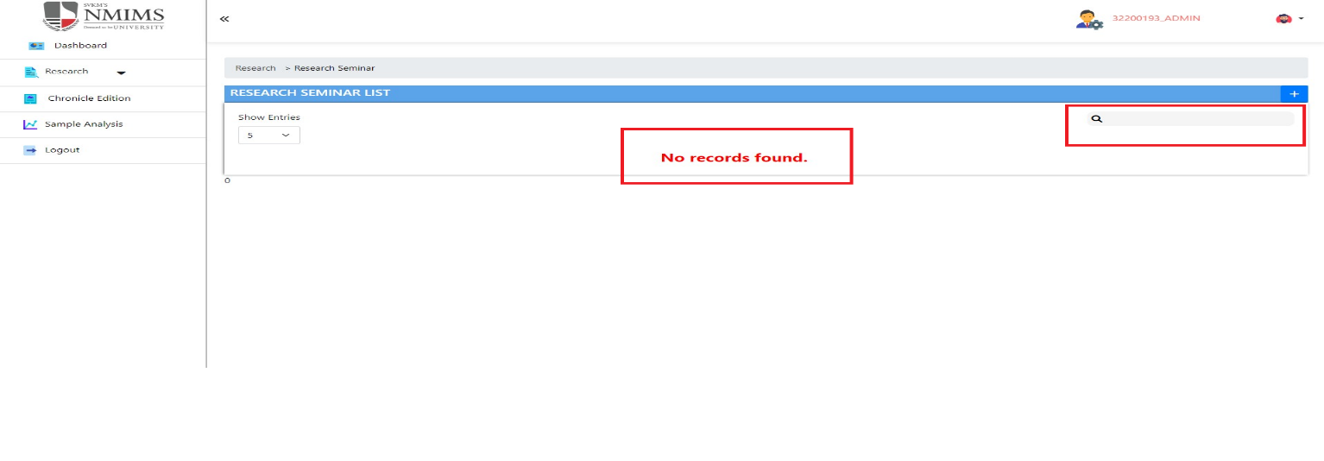 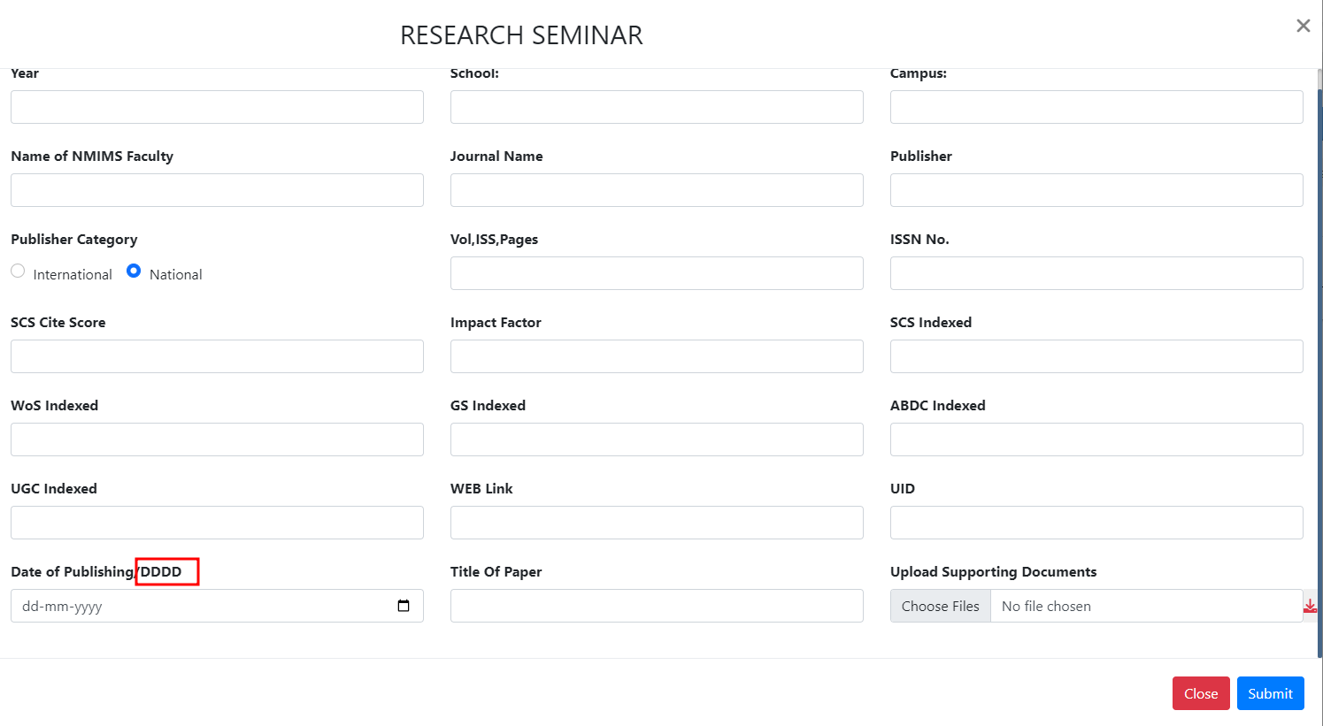 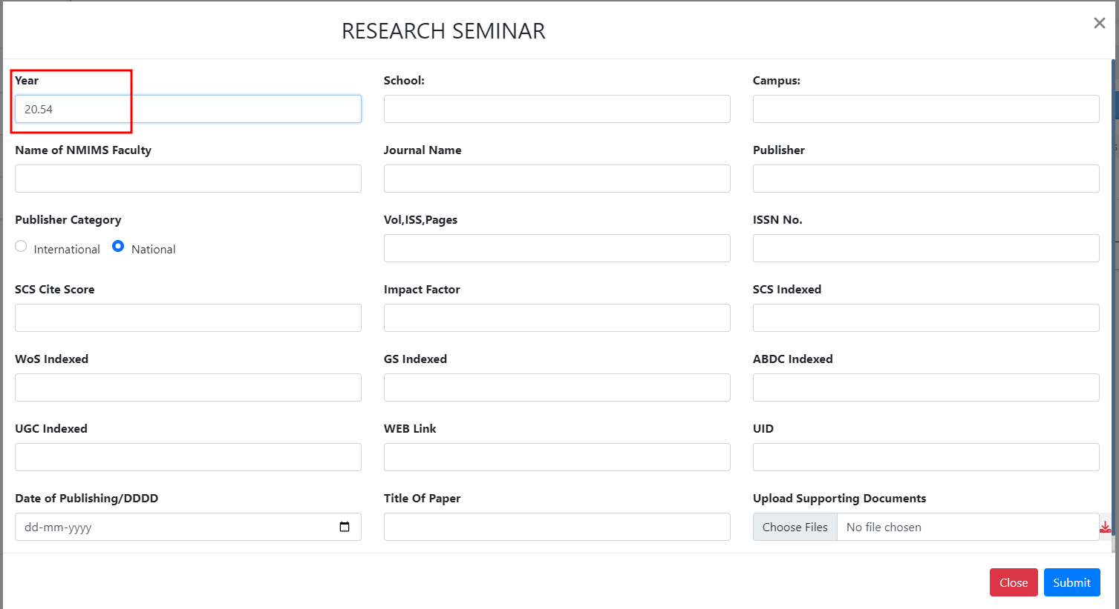 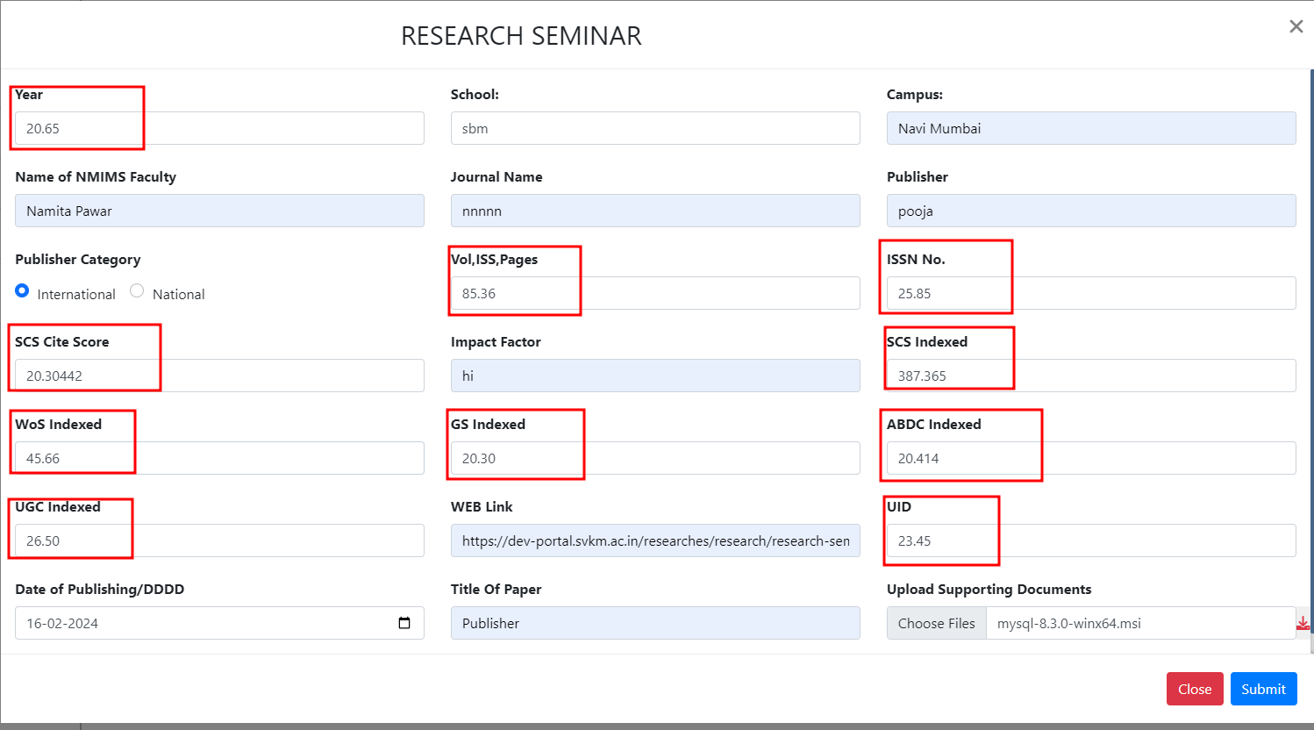 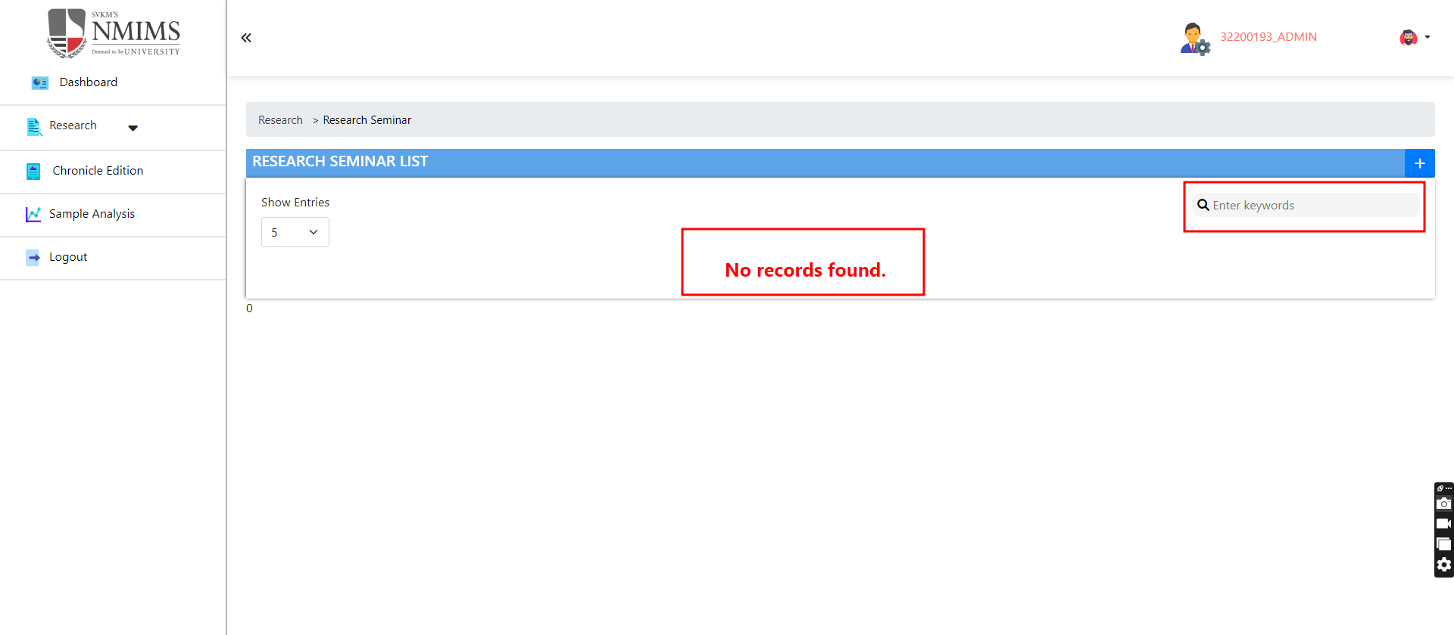 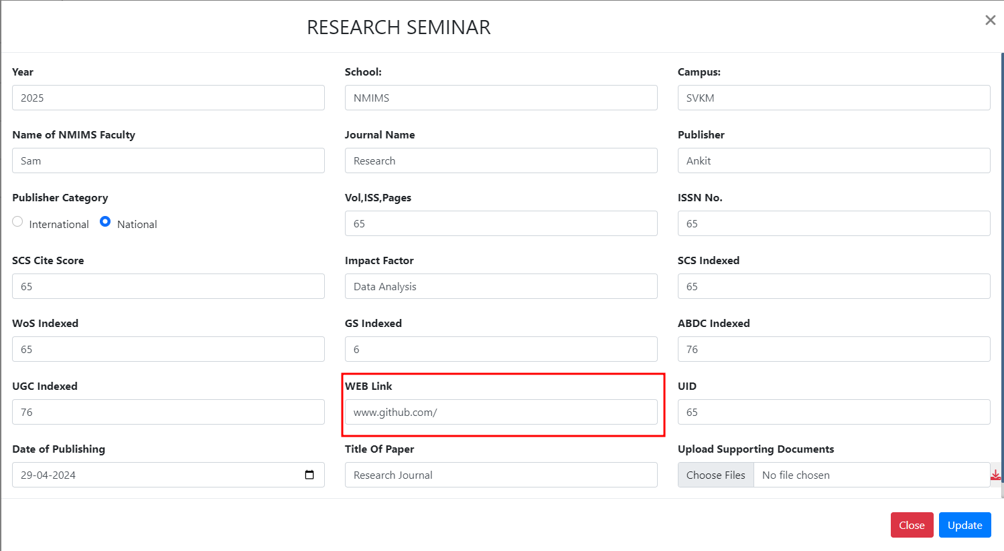 | 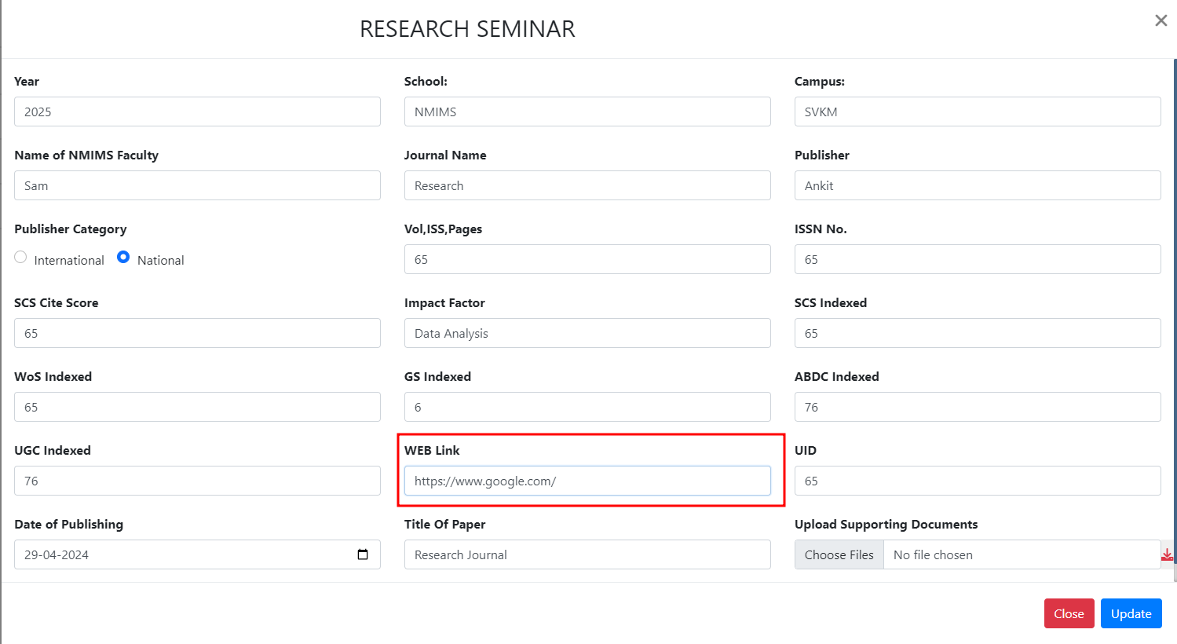 | 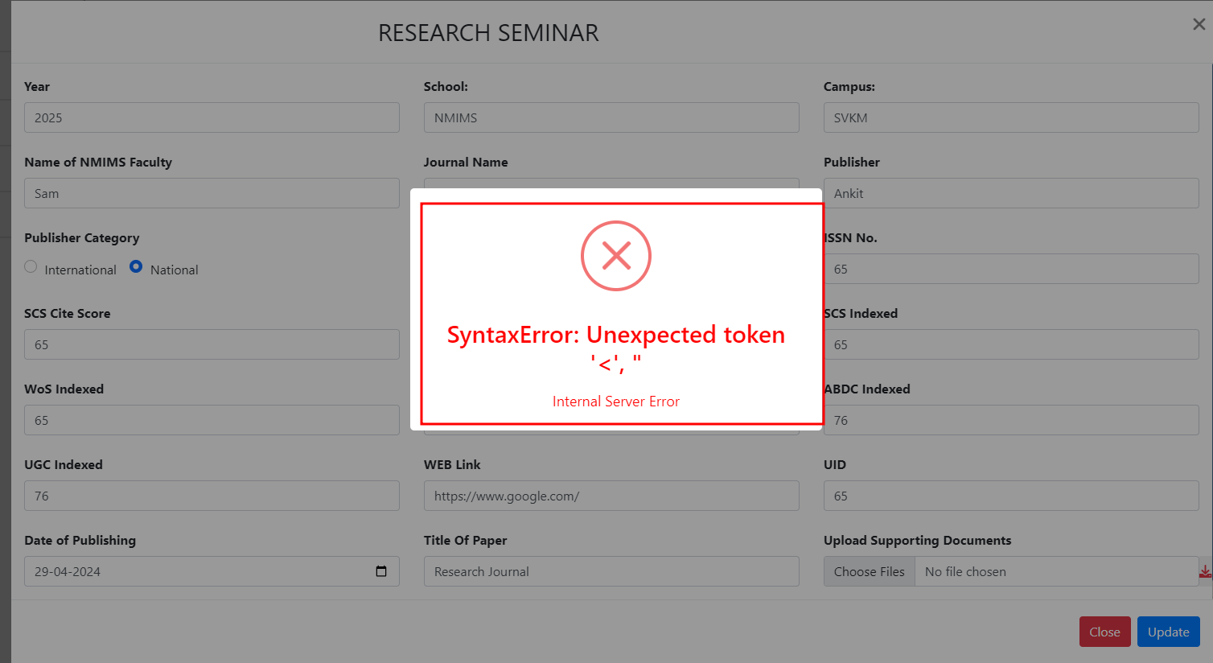 | Done
3 | To verify "Update" button functionality | T_03 | 1)Application is installed, configured, and accessible to the user. 2)User credentials for logging into the Research are valid and authenticated. 3) Link : https://dev-portal.svkm.ac.in/researches/user | 1.Open the URL : "https://dev-portal.svkm.ac.in/researches/user" 2.Enter username: 32101198. 3) Enter password: pass@123. 4)Click on "Sign In" Button. 5) Click on "Research " Option. 6)Click on "Research Seminars at NMIMS" 7)Go to below "Action" and click on that pencil icon. 8) Go to "Upload Supporting Documents " and select file 9) Click on Update. | It should allow to update file, after clicking on Update button. | Update button is not clickble and working. | Fail |  |  | 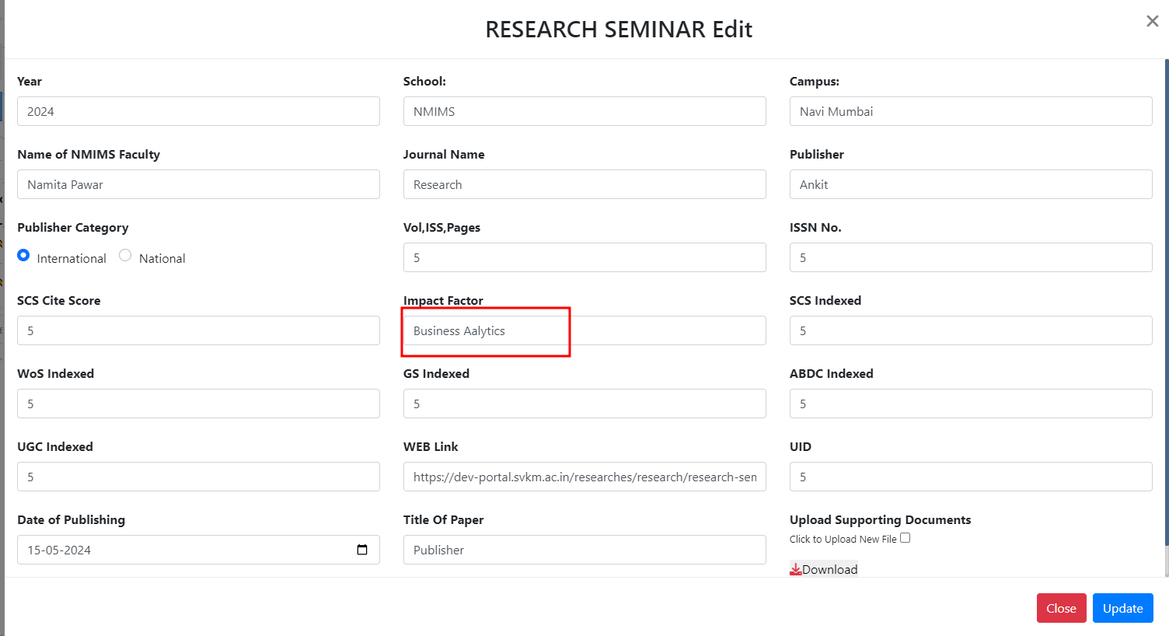 | 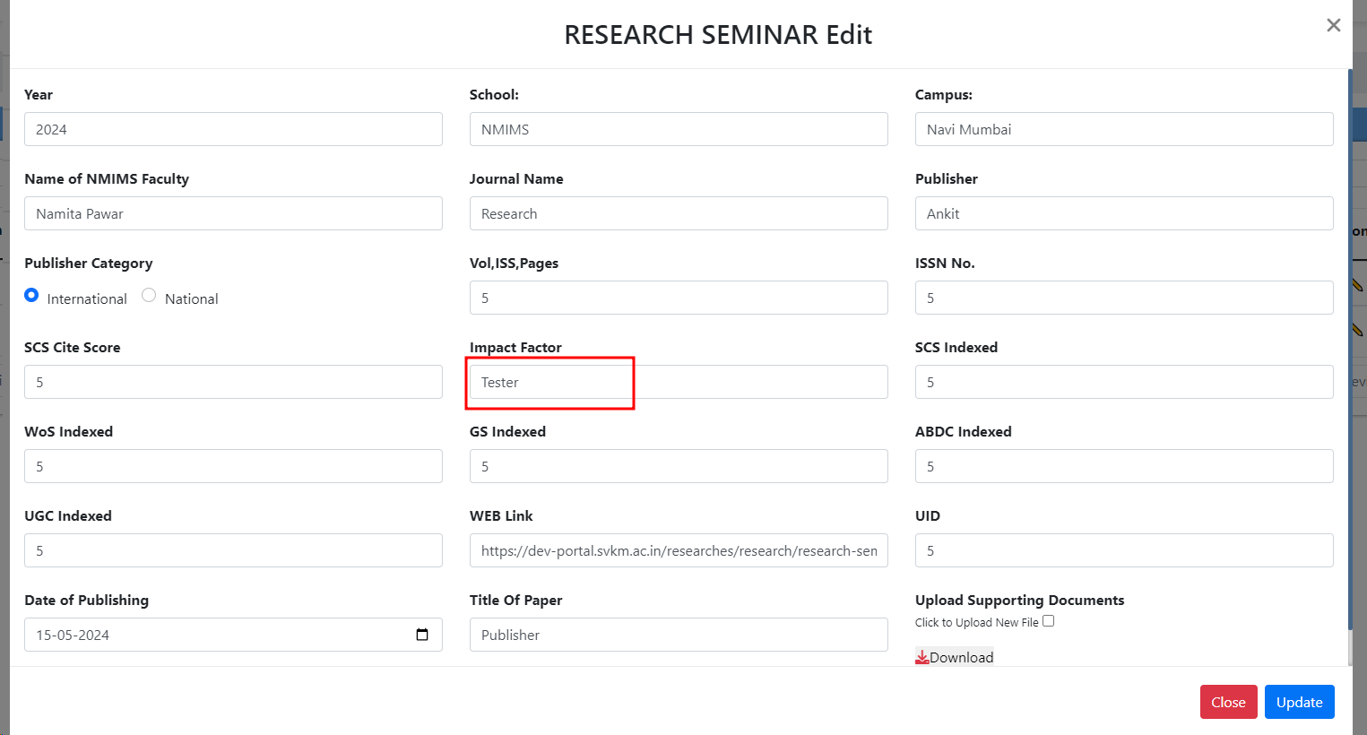 | 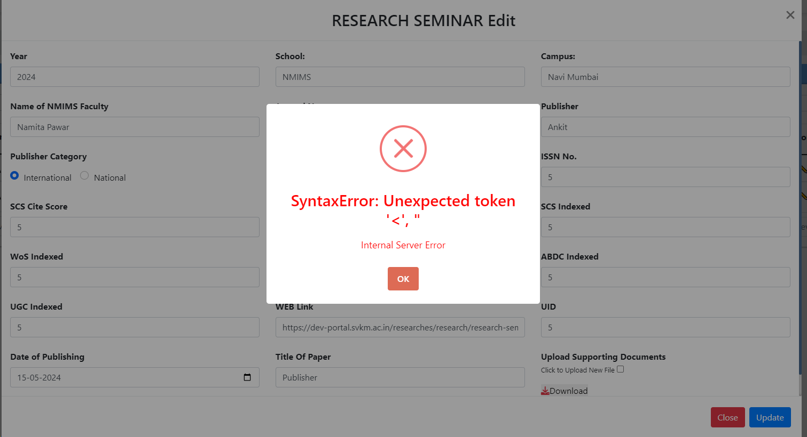
4 | To verify "Download" button functionality | T_04 | 1)Application is installed, configured, and accessible to the user. 2)User credentials for logging into the Research are valid and authenticated. 3) Link : https://dev-portal.svkm.ac.in/researches/user | 1.Open the URL : "https://dev-portal.svkm.ac.in/researches/user" 2.Enter username: 32101198. 3) Enter password: pass@123. 4)Click on "Sign In" Button. 5) Click on "Research " Option. 6)Click on "Research Seminars at NMIMS" 7)Go to below "Action" and click on that pencil icon. 8) Go to "Upload Supporting Documents " and click on Download 9) Click on Update. | It should allow to download file, after clicking on download button. | After clicking on download button, it is sowing an pop up error message "There was a problem downloading files: Data filename attribute not found on button." | Fail |  |  | 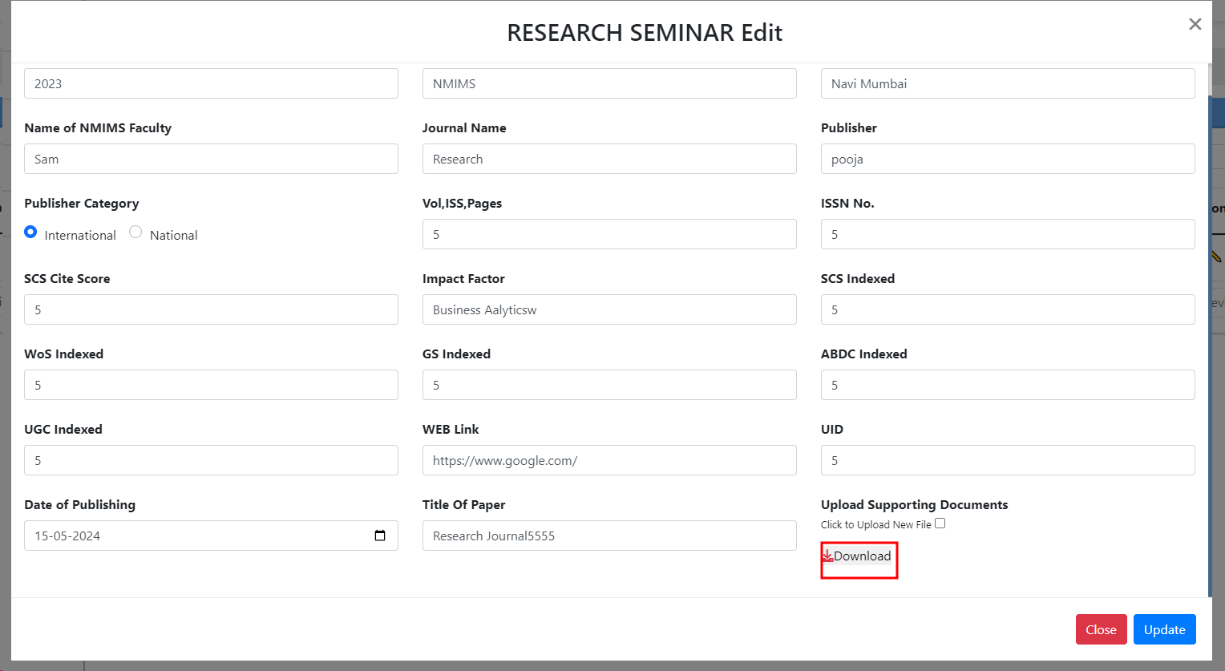 | 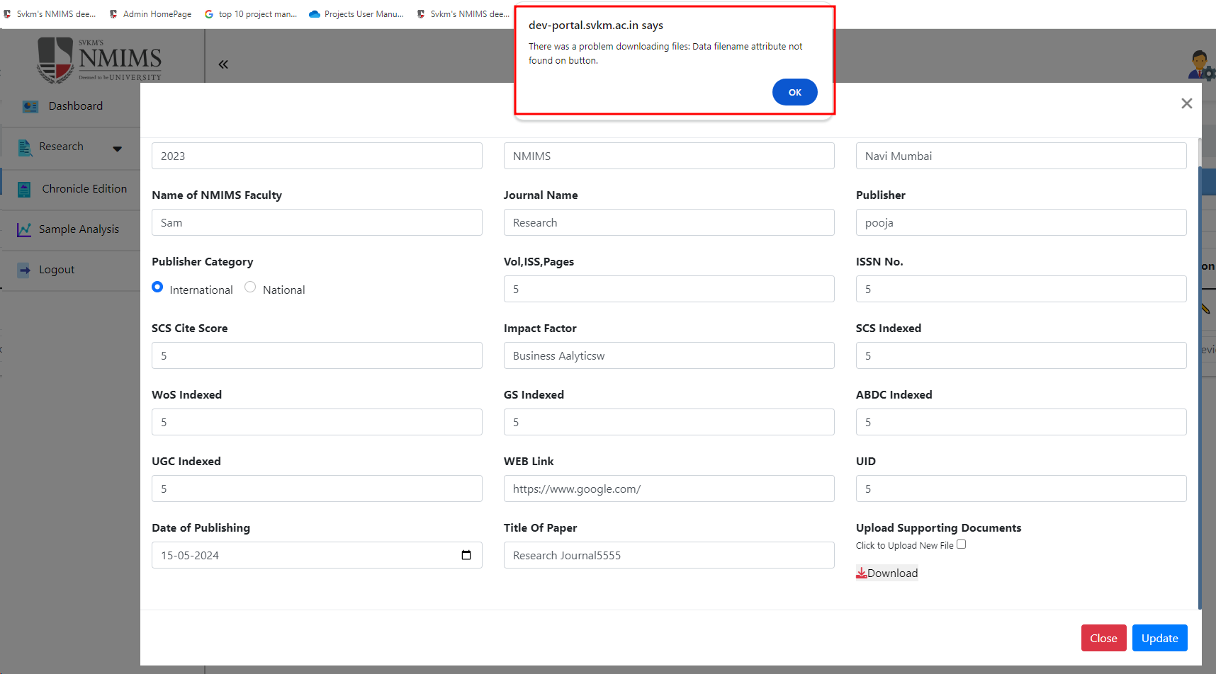
5 | To verify "Click to Upload New File" button functionality | T_05 | 1)Application is installed, configured, and accessible to the user. 2)User credentials for logging into the Research are valid and authenticated. 3) Link : https://dev-portal.svkm.ac.in/researches/user | 1.Open the URL : "https://dev-portal.svkm.ac.in/researches/user" 2.Enter username: 32101198. 3) Enter password: pass@123. 4)Click on "Sign In" Button. 5) Click on "Research " Option. 6)Click on "Research Seminars at NMIMS" 7)Go to below "Action" and click on that pencil icon. 8) Go to "Upload Supporting Documents " and click on "Click to Upload New File" and click on checkbox 10) Click on Choose file option and slect file to update. 11) Click on Update button | It should allow to Update file, after clicking on update button. | After clicking on Update file, It is not allowing to update file. | Fail |  |  |  | 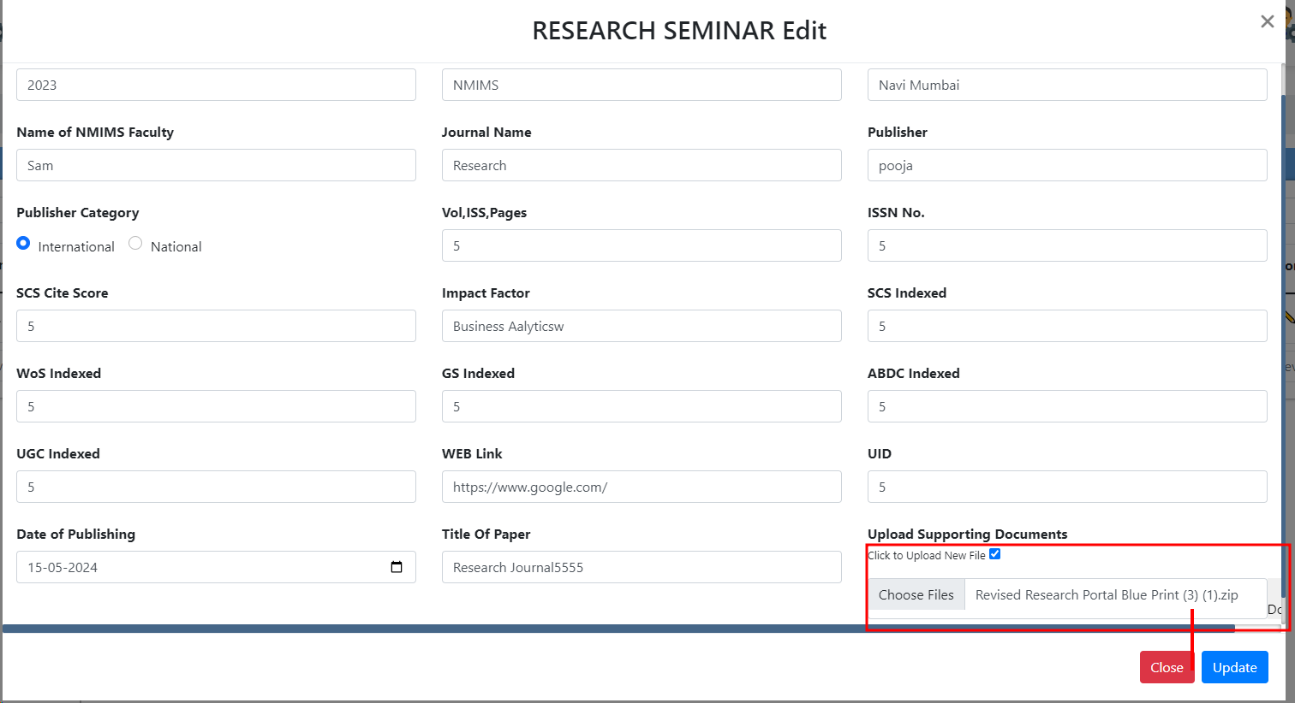 | 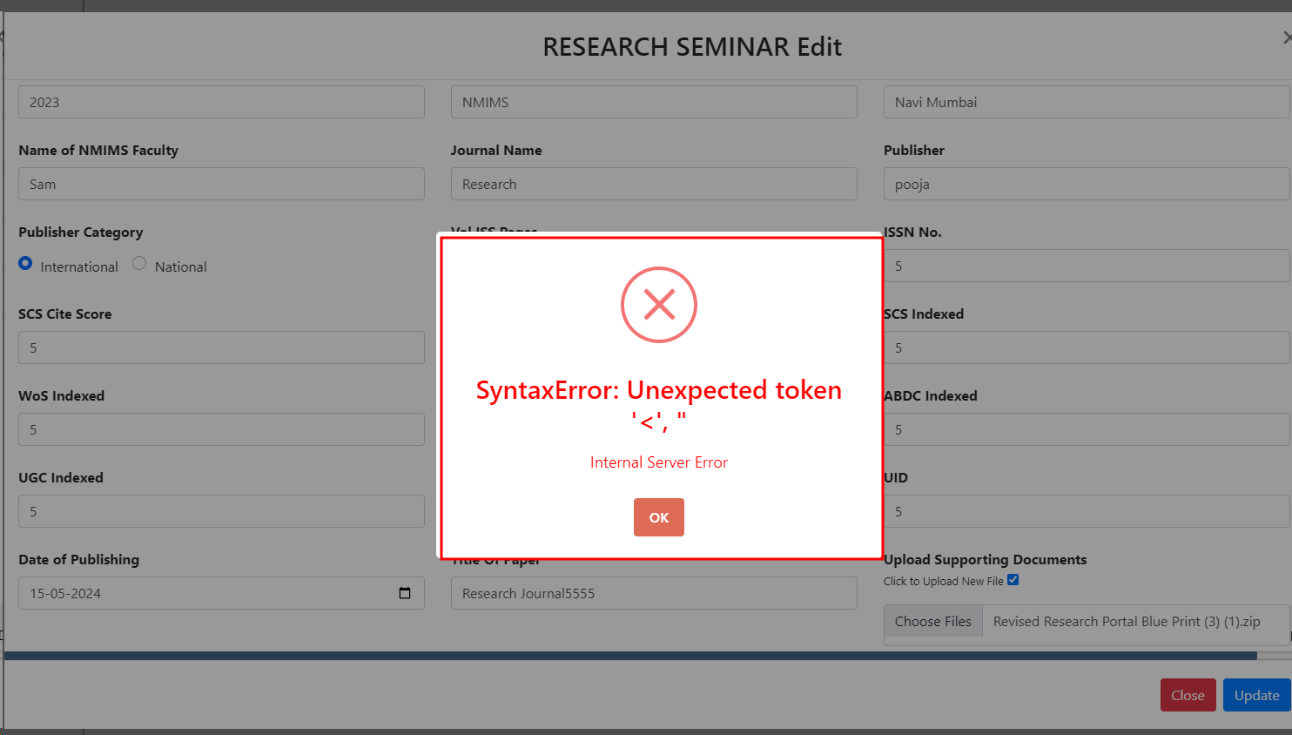
6 | To verify "RESEARCH SEMINAR Edit" | T_06 | 1)Application is installed, configured, and accessible to the user. 2)User credentials for logging into the Research are valid and authenticated. 3) Link : https://dev-portal.svkm.ac.in/researches/user | 1.Open the URL : "https://dev-portal.svkm.ac.in/researches/user" 2.Enter username: 32101198. 3) Enter password: pass@123. 4)Click on "Sign In" Button. 5) Click on "Research " Option. 6)Click on "Research Seminars at NMIMS" 7)Go to below "Action" and click on that pencil icon. | "RESEARCH SEMINAR Edit"edit should be in Capital. | "RESEARCH SEMINAR Edit",edit is in Captial and small form. | Fail |  |  | 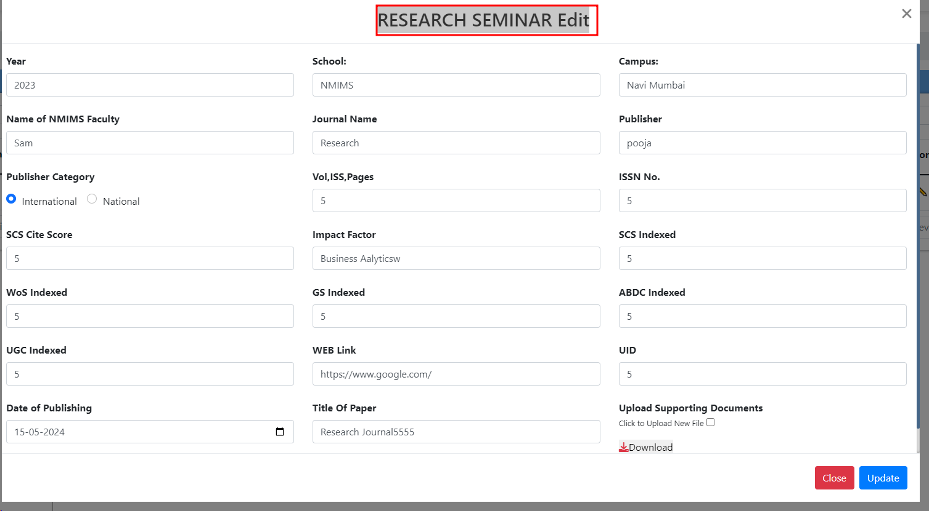
7 | To verify Submit button is clicakble or not. | TC_07 | 1)Application is installed, configured, and accessible to the user. 2)User credentials for logging into the Research are valid and authenticated. 3) Link : https://dev-portal.svkm.ac.in/researches/user | 1.Open the URL : "https://dev-portal.svkm.ac.in/researches/user" 2.Enter username: 32101198. 3) Enter password: pass@123. 4)Click on "Sign In" Button. 5) Click on "Research " Option. 6)Click on "Research Seminars at NMIMS" 7)Go to "+" icon which is above at "Searchbox ". | Submit button should be clickable. | After clicking on submit button, Button is not clickable. | Fail |  |  | https://screenrec.com/share/fBZTUNtWpl

8 | To verify "Serial number" | TC_08 | 1)Application is installed, configured, and accessible to the user. 2)User credentials for logging into the Research are valid and authenticated. 3) Link : https://dev-portal.svkm.ac.in/researches/user | 1.Open the URL : "https://dev-portal.svkm.ac.in/researches/user" 2.Enter username: 32101198. 3) Enter password: pass@123. 4)Click on "Sign In" Button. 5) Click on "Research " Option. 6)Click on "Research Seminars at NMIMS" | It should be "Serial number" instead of #. | "#" is displayed. | Fail |  |  | 